Figure 1
Figure 1
GENERAL GOVERNMENT EXPENSES
2022-23
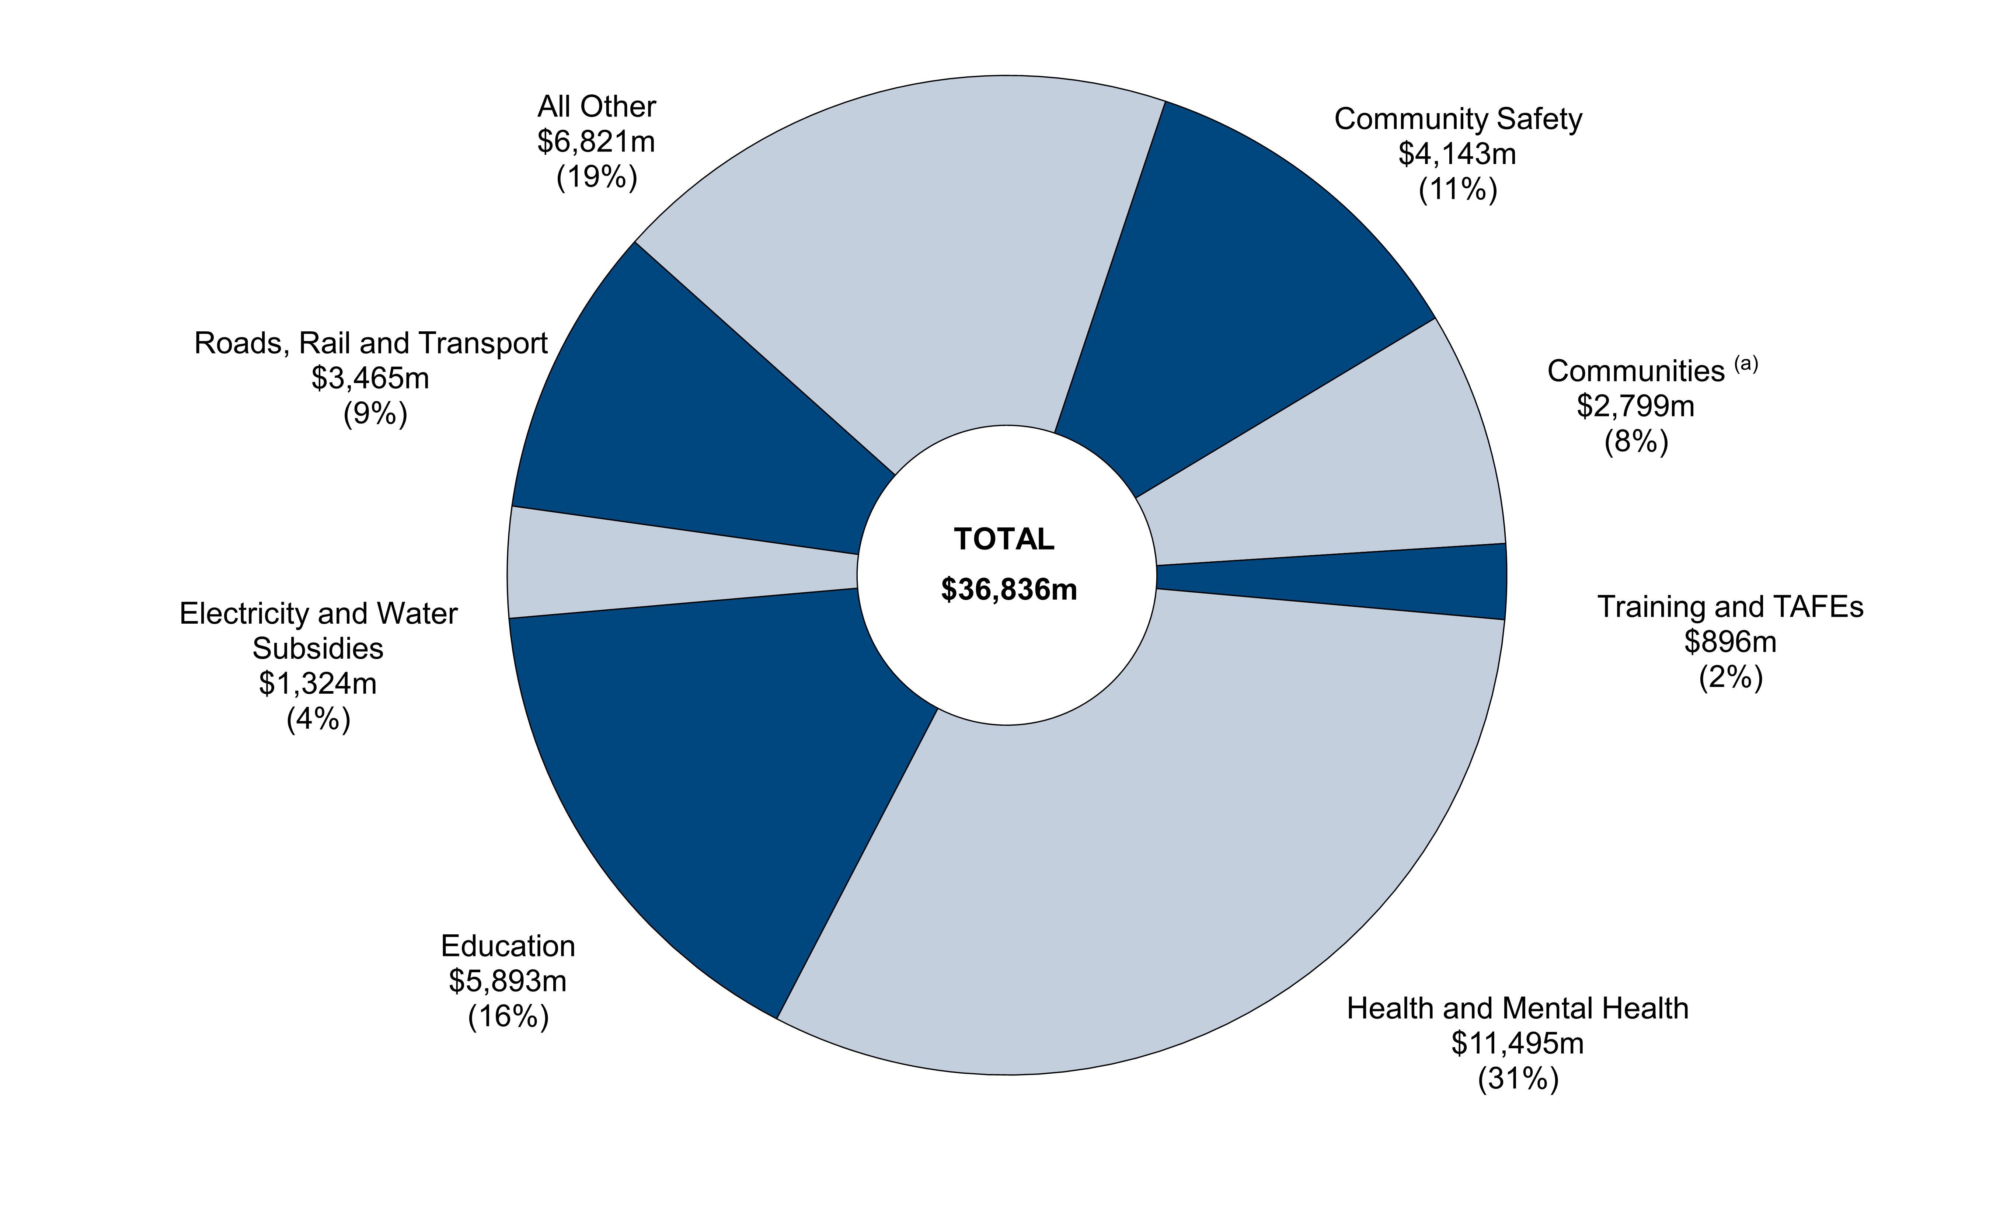

(a) The total cost of services disclosed in Budget Paper No. 2: Budget Statements for the Department of Communities is $3.3 billion in 2022 23. The $2.8 billion in this chart represents the general government portion of the Department’s recurrent spending (with some expenditure from the former Housing Authority remaining within the public non-financial corporations sector for the purpose of whole of government reporting).

Note: Segments may not add due to rounding.

Chart Data | 2022-23
 | $m | %
Community Safety | 4,143 | 11
Communities | 2,799 | 8
Training and TAFEs | 896 | 2
Health and Mental Health | 11,495 | 31
Education | 5,893 | 16
Electricity and Water Subsidies | 1,324 | 4
Roads, Rail and Transport | 3,465 | 9
All Other | 6,821 | 19
Total | 36,836

Figure 2
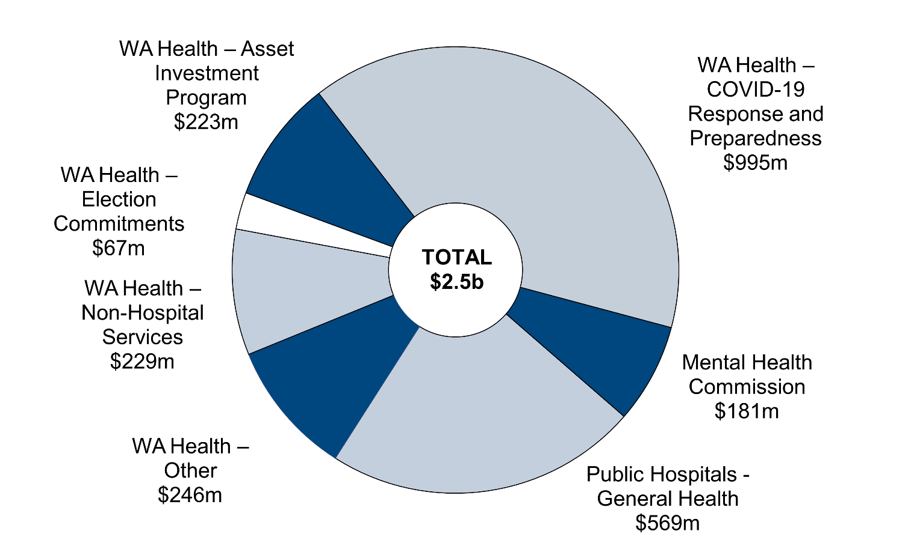
Figure 2
RECORD $2.5 BILLION ADDITIONAL HEALTH AND MENTAL HEALTH INVESTMENT
2022-23 Budget

Note: Segments may not add due to rounding.

Chart Data
 | $m
WA Health - COVID-19 Response and Preparedness | 995
WA Health - Public Hospital Services | 569
WA Health - Non-Hospital Services | 229
WA Health - Election Commitments | 67
WA Health - Asset Investment Program | 223
WA Health - Other | 246
Mental Health Commission | 181
Total | 2,510

