Figure 5
Figure 5

COMMONWEALTH GRANTS TO WESTERN AUSTRALIA (a)
2019-20
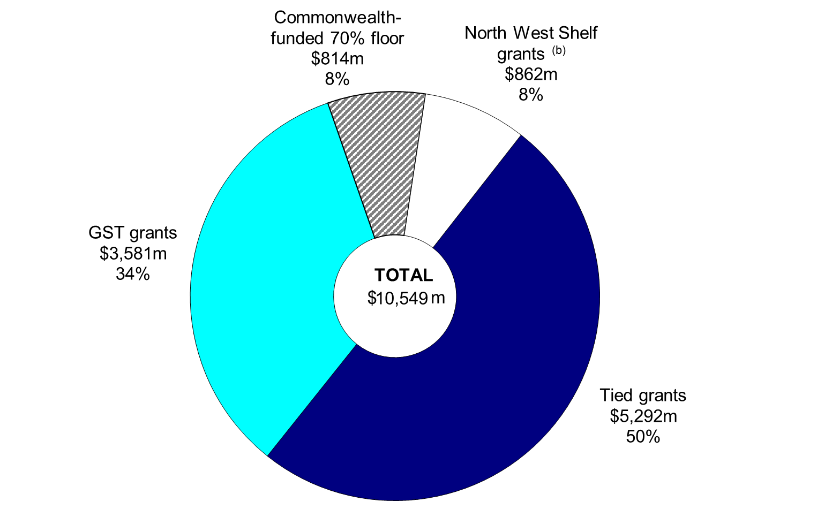

(a) Includes recurrent and capital grants.
(b) Includes Commonwealth compensation for the removal of the exemption of condensate from crude oil excise.
Note: Segments may not add due to rounding.

Chart Data

 | 2019-20 | 2019-20

Grants | Grants ($m) | Share of Total (%)

Tied grants | 5,292 | 50.2%
GST grants | 3,581 | 33.9%
Commonwealth-funded 70% floor | 814 | 7.7%
North West Shelf grants | 862 | 8.2%
Total | 10,549 | 100.0%

