Figure 1
Figure 1
ASSET INVESTMENT PROGRAM
2021-22
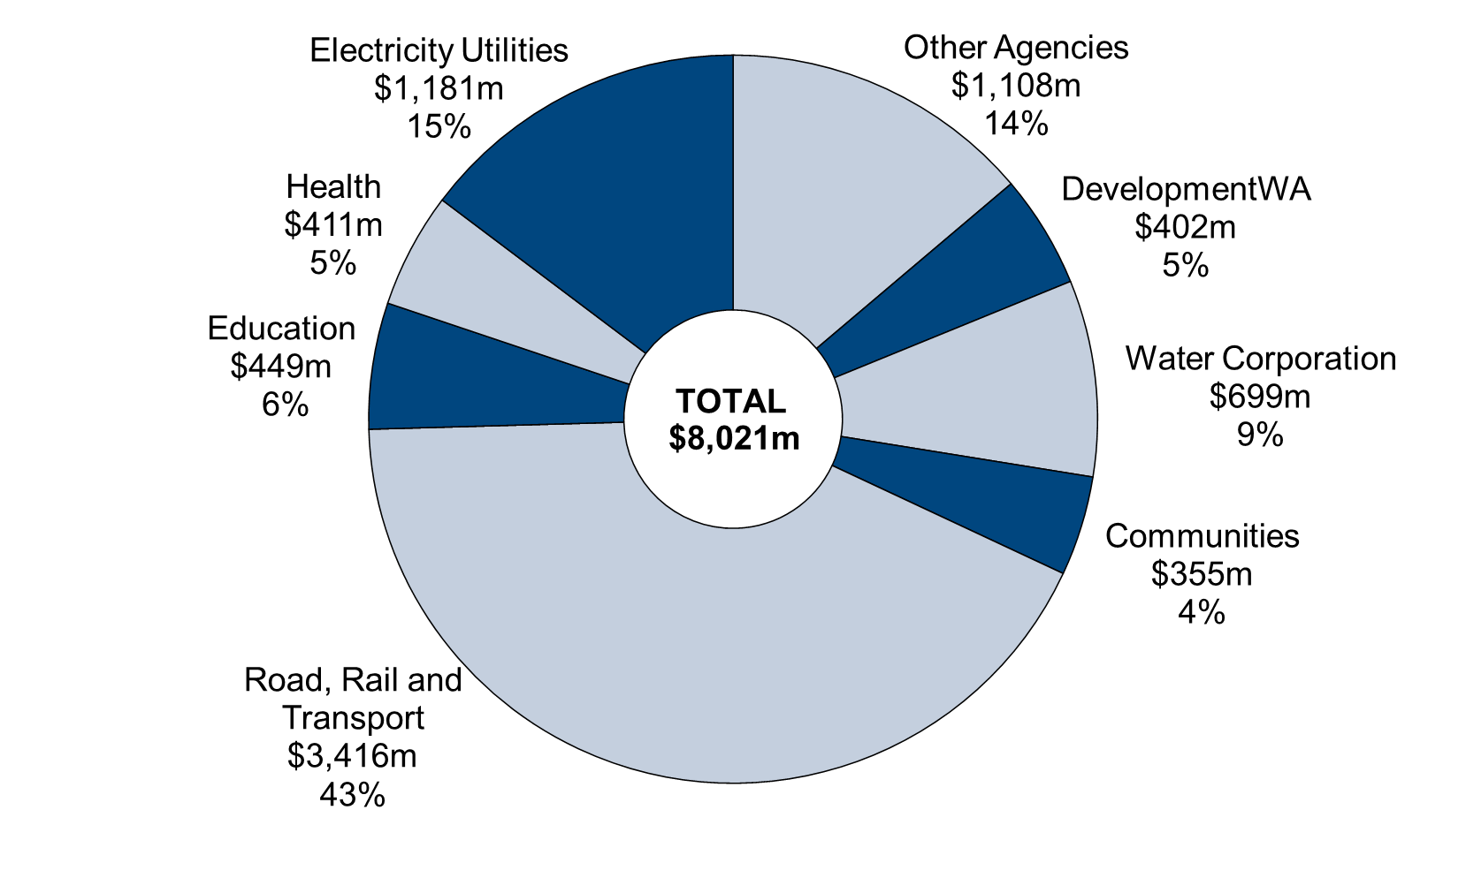

Chart data
 | 2020-21 | Share (%)
Other Agencies | 1,108 | 14
DevelopmentWA | 402 | 5
Water Corporation | 699 | 9
Communities | 355 | 4
Road, Rail and Transport | 3,416 | 43
Education | 449 | 6
Health | 411 | 5
Electricity Utilities | 1,181 | 15

