Figure 8.1
Figure 8.1

REPRESENTATIVE HOUSEHOLD EXPENDITURE (a)
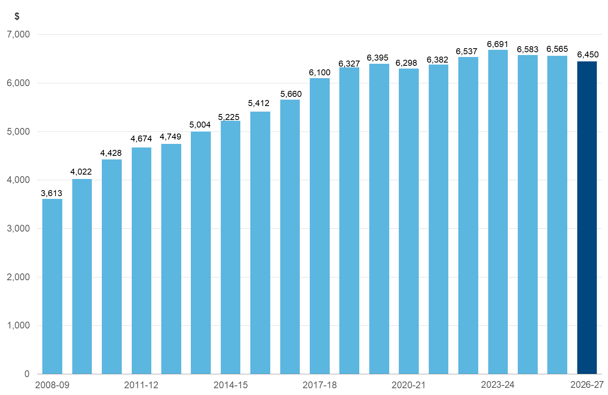

(a) Representative household tariffs, fees and charges as published in annual Budget Papers (excludes the impact of electricity credits in 2020-21, and 2022-23 to 2024-25).

Chart data
Year | Household Expenditure ($)
2008‑09 | 3,613
2009‑10 | 4,022
2010‑11 | 4,428
2011‑12 | 4,674
2012‑13 | 4,749
2013‑14 | 5,004
2014‑15 | 5,225
2015-16 | 5,412
2016-17 | 5,660
2017-18 | 6,100
2018-19 | 6,327
2019-20 | 6,395
2020-21 | 6,298
2021-22 | 6,382
2022-23 | 6,537
2023-24 | 6,691
2024-25 | 6,583
2025-26 | 6,565
2026-27 | 6,450

